Instructions
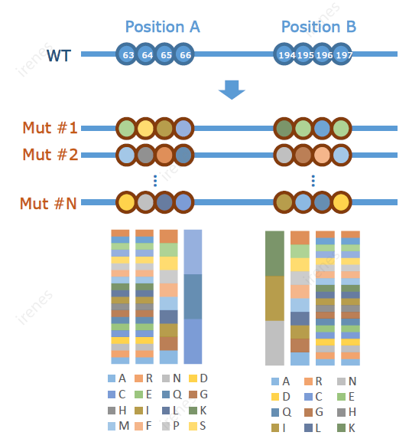
How to select library type:
Site saturation library: | each site mutate into other 19aa, 1 site/pool | Combinatorial mutagenesis library: | mutations for all sites are combinatorial
Saturation scanning library: | each site mutate into other 19aa, all sites mixed in one pool
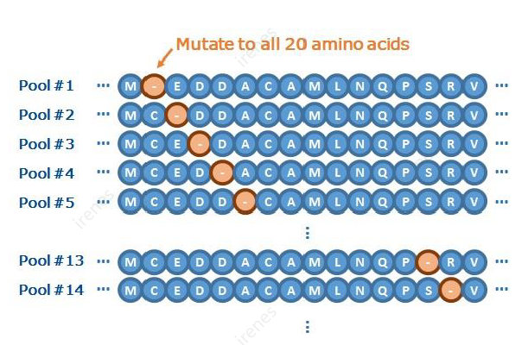

Others: | If the library type does not fit in your needs, please add comments and send us any attachments, including contact info. Our specialist will contact you to clarify the design

If you don't need all 19 aa other thant WT, please indicate in the position of interest.
If you need special ratio of certain aa, please fill in the ratio in the corresponding aa of interested position. Additional fee may apply.

